Round One
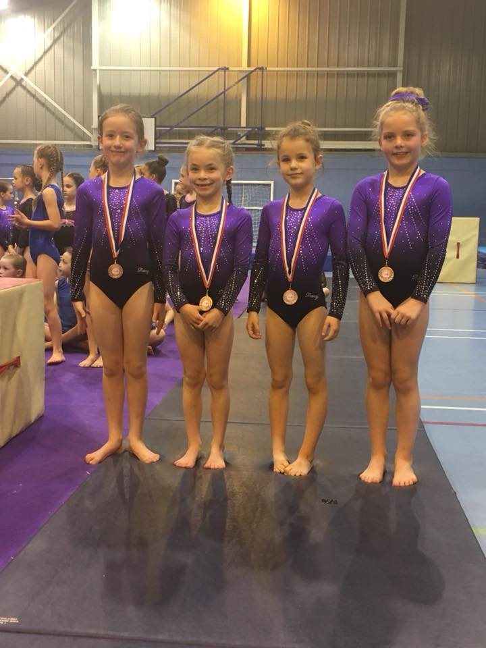
Malcolm Gee Shield
Sunday 6th May 2018

Girls 8-9 beginner |  |  |  |  |  |  | Girls 10 - 11 Beginners
Allstarz |  |  |  |  |  |  | Wyre Forest
No. | NAME | Vault | Bars | Beam | Floor | TOTAL | No. | NAME | Vault | Bars | Beam | Floor | TOTAL
001 | Freya Mathers | 9.10 | 8.60 | 10.00 | 11.60 | 39.30 | 026 | Martha Adler | 9.30 | 8.80 | 10.50 | 10.80 | 39.40
002 | Adel Codrington | 9.50 | 7.80 | 9.60 | 11.40 | 38.30 | 027 | Leah Hathaway | 9.00 | 9.40 | 11.30 | 11.00 | 40.70
003 | Cara Teece | 8.55 | 9.60 | 10.00 | 11.70 | 39.85 | 028 | Megan Griffiths | 9.10 | 9.00 | 9.80 | 10.65 | 38.55
004 | Vanessa Kwiotek | 8.60 | 8.20 | 12.20 | 12.00 | 41.00 | 029 |  | 0.00 | 0.00 | 0.00 | 0.00 | 0.00
005 |  | 0.00 | 0.00 | 0.00 | 0.00 | 0.00 | 030 |  | 0.00 | 0.00 | 0.00 | 0.00 | 0.00
 | TEAM TOTAL | 27.20 | 26.40 | 32.20 | 35.30 | 121.10 |  | TEAM TOTAL | 27.40 | 27.20 | 31.60 | 32.45 | 118.65

Girls 8-9 beginner |  |  |  |  |  |  | Girls 10 - 11 Beginners
Wyre Forest |  |  |  |  |  |  | Mo-Gylity
No. | NAME | Vault | Bars | Beam | Floor | TOTAL | No. | NAME | Vault | Bars | Beam | Floor | TOTAL
006 | Mary Timmins | 9.05 | 8.90 | 9.00 | 11.30 | 38.25 | 031 | Ruby Sadler | 8.80 | 7.40 | 10.60 | 11.00 | 37.80
007 | Olive Thomas | 8.80 | 8.70 | 10.00 | 11.10 | 38.60 | 032 | Grace Wildman | 9.50 | 8.90 | 10.20 | 11.20 | 39.80
008 | Fleur Higgs | 8.60 | 9.20 | 11.00 | 11.90 | 40.70 | 033 | Lily Jackson | 9.00 | 8.60 | 8.90 | 10.90 | 37.40
009 | Lexie Homer | 9.10 | 7.70 | 10.60 | 11.40 | 38.80 | 034 | Mollie-Mae Antenbring | 9.25 | 9.00 | 11.10 | 10.40 | 39.75
010 | Daisy Palmer | 8.60 | 9.10 | 11.70 | 12.10 | 41.50 | 035 | Connie Ellis | 9.30 | 9.00 | 10.90 | 10.80 | 40.00
 | TEAM TOTAL | 26.95 | 27.20 | 33.30 | 35.40 | 122.85 |  | TEAM TOTAL | 28.05 | 26.90 | 32.60 | 33.10 | 120.65

Girls 8-9 beginner |  |  |  |  |  |  | Girls 10 - 11 Beginners
Wyre Forest |  |  |  |  |  |  | Mo-Gylity
No. | NAME | Vault | Bars | Beam | Floor | TOTAL | No. | NAME | Vault | Bars | Beam | Floor | TOTAL
011 | Poppy Zimmermann | 8.95 | 9.40 | 11.40 | 11.90 | 41.65 | 036 | Evie Dutton | 9.60 | 8.90 | 11.20 | 11.20 | 40.90
012 | Phoebe-Rose Harvey | 8.75 | 8.60 | 10.30 | 11.20 | 38.85 | 037 | Amelia Rochfort | 9.20 | 8.80 | 9.60 | 10.30 | 37.90
013 | Evie Doughtey | 8.70 | 8.40 | 10.40 | 10.90 | 38.40 | 038 | Sophie Madeley | 9.35 | 9.10 | 10.10 | 10.60 | 39.15
014 | Poppy Wade-Clarke | 8.90 | 8.00 | 11.00 | 11.90 | 39.80 | 039 | Fern Cassie | 9.15 | 8.30 | 8.70 | 10.00 | 36.15
015 | Ellie Philips | 9.20 | 8.40 | 11.40 | 10.80 | 39.80 | 040 | Lottie Waite | 9.30 | 9.00 | 9.80 | 10.20 | 38.30
 | TEAM TOTAL | 27.05 | 26.40 | 33.80 | 35.00 | 122.25 |  | TEAM TOTAL | 28.25 | 27.00 | 31.10 | 32.10 | 118.45

Boys 9 - 11 |  |  |  |  |  |  | Girls 10 - 11 Beginners
Mo-Gylity |  |  |  |  |  |  | Allstarz
No. | NAME | Vault | Bars | Beam | Floor | TOTAL | No. | NAME | Vault | Bars | Beam | Floor | TOTAL
016 | Thomas Baines | 8.30 | 9.70 | 0.00 | 11.70 | 29.70 | 041 | Minnie Golder | 9.00 | 9.10 | 11.50 | 10.50 | 40.10
017 | Harrison Bennett | 8.85 | 11.20 | 0.00 | 12.40 | 32.45 | 042 | Nelly Ellis | 9.25 | 9.30 | 11.70 | 11.00 | 41.25
018 | Joel Zanin | 9.20 | 11.50 | 0.00 | 12.70 | 33.40 | 043 | Julia Macki | 9.50 | 8.90 | 10.40 | 11.10 | 39.90
019 | Maison Walker | 8.50 | 10.90 | 0.00 | 12.30 | 31.70 | 044 | Athen Cochrane | 9.30 | 9.10 | 10.10 | 10.80 | 39.30
020 | Thomas Green | 8.10 | 9.00 | 0.00 | 11.20 | 28.30 | 045 | Piper Rushby | 9.25 | 9.20 | 11.30 | 11.30 | 41.05
 | TEAM TOTAL | 26.55 | 33.60 | 0.00 | 37.40 | 97.55 |  | TEAM TOTAL | 28.05 | 27.60 | 34.50 | 33.40 | 123.55

Boys 9 - 11 |  |  |  |  |  |  | Girls 10 - 11 Beginners
Flics |  |  |  |  |  |  | Flics
No. | NAME | Vault | Bars | Beam | Floor | TOTAL | No. | NAME | Vault | Bars | Beam | Floor | TOTAL
021 | Charlie Seal | 8.60 | 10.40 | 0.00 | 12.40 | 31.40 | 046 | Bella Myatt | 9.10 | 9.20 | 9.60 | 10.70 | 38.60
022 | Harry Seal | 8.95 | 10.80 | 0.00 | 11.10 | 30.85 | 047 | Elizabeth Fry | 9.25 | 8.80 | 9.40 | 10.30 | 37.75
023 | Harry Jones | 8.10 | 9.60 | 0.00 | 12.00 | 29.70 | 048 | Emily Moult | 9.30 | 9.20 | 8.30 | 10.00 | 36.80
024 |  | 0.00 | 0.00 | 0.00 | 0.00 | 0.00 | 049 | Leah Hill | 9.05 | 9.10 | 10.60 | 9.60 | 38.35
025 |  | 0.00 | 0.00 | 0.00 | 0.00 | 0.00 | 050 | Isabelle Jackson | 9.45 | 9.80 | 11.00 | 11.40 | 41.65
 | TEAM TOTAL | 25.65 | 30.80 | 0.00 | 35.50 | 91.95 |  | TEAM TOTAL | 28.00 | 28.20 | 31.20 | 32.40 | 119.80

Round Three
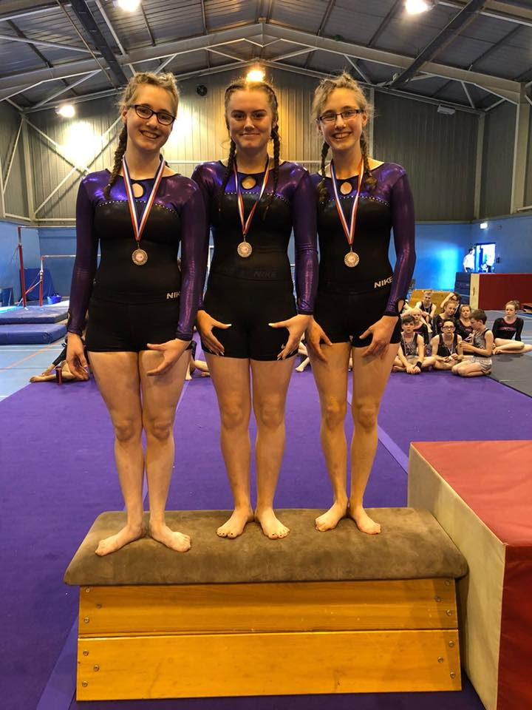
Malcolm Gee Shield
Sunday 6th May 2018

Girls 12 - 14 Intermediate |  |  |  |  |  |  | Girls 15+ Intermediate
All Starz |  |  |  |  |  |  | All Starz
No. | NAME | Vault | Bars | Beam | Floor | TOTAL | No. | NAME | Vault | Bars | Beam | Floor | TOTAL
101 | Lillie Curry | 9.50 | 10.80 | 12.80 | 12.30 | 45.40 | 121 | Emma Coombe | 9.60 | 10.60 | 9.00 | 11.70 | 40.90
102 | Emma Weetman | 9.40 | 11.00 | 13.20 | 12.10 | 45.70 | 122 | Gabrielle Bruce | 9.80 | 10.90 | 10.70 | 11.80 | 43.20
103 | Maisie Ballenger | 9.50 | 10.70 | 12.00 | 12.10 | 44.30 | 123 |  | 0.00 | 0.00 | 0.00 | 0.00 | 0.00
104 | Grace Hopkins | 9.40 | 10.50 | 12.30 | 11.00 | 43.20 | 124 | Emily Hopkins | 9.40 | 11.00 | 10.40 | 10.60 | 41.40
105 | Sophie Pearce | 9.25 | 8.90 | 11.30 | 11.50 | 40.95 | 125 | Amelia Geary | 9.65 | 10.70 | 12.10 | 12.50 | 44.95
 | TEAM TOTAL | 28.40 | 32.50 | 38.30 | 36.50 | 135.70 |  | TEAM TOTAL | 29.05 | 32.60 | 33.20 | 36.00 | 130.85

Girls 12 - 14 Intermediate |  |  |  |  |  |  | Girls 15+ Intermediate
Flics |  |  |  |  |  |  | Wyre Forest
No. | NAME | Vault | Bars | Beam | Floor | TOTAL | No. | NAME | Vault | Bars | Beam | Floor | TOTAL
106 | Ella Cheney | 9.50 | 10.70 | 11.70 | 12.40 | 44.30 | 126 | Lucy Stephens | 9.80 | 10.30 | 12.00 | 12.60 | 44.70
107 | Amber Hunter | 9.75 | 10.90 | 12.90 | 12.30 | 45.85 | 127 | Faye Seagrove | 9.60 | 10.90 | 9.50 | 12.50 | 42.50
108 | Helena Rajjayabun | 9.65 | 10.80 | 12.50 | 11.70 | 44.65 | 128 | Megan Seagrove | 9.70 | 10.90 | 11.00 | 11.50 | 43.10
109 | Stella Iannaccone | 9.70 | 11.10 | 11.70 | 11.80 | 44.30 | 129 |  | 0.00 | 0.00 | 0.00 | 0.00 | 0.00
110 | Iona Martin | 9.35 | 11.00 | 13.10 | 11.80 | 45.25 | 130 |  | 0.00 | 0.00 | 0.00 | 0.00 | 0.00
 | TEAM TOTAL | 29.10 | 33.00 | 38.50 | 36.50 | 137.10 |  | TEAM TOTAL | 29.10 | 32.10 | 32.50 | 36.60 | 130.30

Girls 12 - 14 Intermediate |  |  |  |  |  |  | Boys 12 - 15
All Starz |  |  |  |  |  |  | Mo-Gylity
No. | NAME | Vault | Bars | Beam | Floor | TOTAL | No. | NAME | Vault | Bars | Beam | Floor | TOTAL
111 | Francesca Bruce | 9.80 | 10.90 | 13.60 | 12.40 | 46.70 | 131 | Charlie Dishington | 8.90 | 11.10 | 0.00 | 12.70 | 32.70
112 | Gracie Alexander | 9.35 | 10.60 | 12.80 | 12.50 | 45.25 | 132 | Hugh Hutchison | 9.30 | 11.90 | 0.00 | 12.80 | 34.00
113 | Zoe Bugg | 9.50 | 10.70 | 12.50 | 12.40 | 45.10 | 133 | Euan Prescott | 9.35 | 12.00 | 0.00 | 12.20 | 33.55
114 | Kyra Last | 9.30 | 10.00 | 13.20 | 11.90 | 44.40 | 134 | Woody Talbot | 7.90 | 11.90 | 0.00 | 12.10 | 31.90
115 | Macy Griffiths | 9.40 | 11.00 | 13.00 | 12.40 | 45.80 | 135 | Leighton Massey | 9.25 | 10.30 | 0.00 | 12.10 | 31.65
 | TEAM TOTAL | 28.70 | 32.60 | 39.80 | 37.30 | 138.40 |  | TEAM TOTAL | 27.90 | 35.80 | 0.00 | 37.70 | 101.40

Boys 16 and Over |  |  |  |  |  |  | Boys 12 - 15
Mo-Gylity |  |  |  |  |  |  | Flics
No. | NAME | Vault | Bars | Beam | Floor | TOTAL | No. | NAME | Vault | Bars | Beam | Floor | TOTAL
116 |  | 0.00 | 0.00 | 0.00 | 0.00 | 0.00 | 136 | Thomas Holloway | 8.20 | 10.30 | 0.00 | 11.20 | 29.70
117 | Joshua Greathead | 9.15 | 12.40 | 0.00 | 12.40 | 33.95 | 137 | Ben Bishop | 8.85 | 10.90 | 0.00 | 13.20 | 32.95
118 | Oliver Dyche | 9.80 | 12.90 | 0.00 | 13.20 | 35.90 | 138 | Samuel Jackson | 8.30 | 0.00 | 0.00 | 11.60 | 19.90
119 | Jamie Allen | 9.80 | 12.60 | 0.00 | 13.10 | 35.50 | 139 | Euan Bryan | 8.85 | 10.80 | 0.00 | 13.00 | 32.65
120 | Francois Moreau | 9.20 | 12.20 | 0.00 | 12.50 | 33.90 | 140 | Micheal Anstey | 8.70 | 11.00 | 0.00 | 12.90 | 32.60
 | TEAM TOTAL | 28.80 | 37.90 | 0.00 | 38.80 | 105.50 |  | TEAM TOTAL | 26.40 | 32.70 | 0.00 | 39.10 | 98.20

Round Four
Malcolm Gee Shield
Sunday 6th May 2018

Girls 12 - 14 Intermediate |  |  |  |  |  |  | Girls 12 - 14 Beginners
Mo-Gylity |  |  |  |  |  |  | Flics
No. | NAME | Vault | Bars | Beam | Floor | TOTAL | No. | NAME | Vault | Bars | Beam | Floor | TOTAL
141 | Iris Green | 9.75 | 10.70 | 11.30 | 11.20 | 42.95 | 161 | Isobel Davey | 9.00 | 10.80 | 12.00 | 11.10 | 42.90
142 | Charlie Ellis | 9.60 | 11.00 | 11.70 | 11.00 | 43.30 | 162 | Chloe Owen | 9.20 | 11.30 | 10.00 | 11.70 | 42.20
143 | Sophie Atkins | 9.80 | 10.60 | 11.40 | 11.30 | 43.10 | 163 | Keira Vickers | 9.20 | 11.00 | 11.20 | 10.60 | 42.00
144 | Kelsey Hudson | 9.80 | 10.50 | 11.90 | 10.60 | 42.80 | 164 | Bella Oliver-Mead | 9.25 | 11.40 | 9.70 | 11.20 | 41.55
145 | Martha Green | 9.85 | 10.90 | 11.90 | 11.20 | 43.85 | 165 |  | 0.00 | 0.00 | 0.00 | 0.00 | 0.00
 | TEAM TOTAL | 29.45 | 32.60 | 35.50 | 33.70 | 131.25 |  | TEAM TOTAL | 27.65 | 33.70 | 33.20 | 34.00 | 128.55

Girls 12 - 14 Intermediate |  |  |  |  |  |  | Girls 12 - 14 Beginners
Flics |  |  |  |  |  |  | All Starz
No. | NAME | Vault | Bars | Beam | Floor | TOTAL | No. | NAME | Vault | Bars | Beam | Floor | TOTAL
146 | Evie Troth | 9.75 | 11.40 | 13.30 | 12.00 | 46.45 | 166 | Victoria Belka | 9.20 | 11.20 | 10.90 | 10.20 | 41.50
147 | Holly Allart | 8.75 | 10.90 | 11.20 | 11.70 | 42.55 | 167 | Patty Tipakorn | 9.15 | 11.30 | 11.60 | 10.40 | 42.45
148 | Emma Beaman | 9.45 | 10.80 | 12.70 | 11.60 | 44.55 | 168 | Emma Taylor | 9.00 | 11.30 | 11.10 | 10.30 | 41.70
149 | Imogen Humphries | 9.50 | 11.30 | 11.70 | 12.10 | 44.60 | 169 | Ellen Hewitt | 9.45 | 11.10 | 10.60 | 11.00 | 42.15
150 |  | 0.00 | 0.00 | 0.00 | 0.00 | 0.00 | 170 | Lily-Mae Jones | 9.25 | 11.00 | 11.00 | 11.20 | 42.45
 | TEAM TOTAL | 28.70 | 33.60 | 37.70 | 35.80 | 135.80 |  | TEAM TOTAL | 27.90 | 33.80 | 33.70 | 32.60 | 128.00

Girls 12 - 14 Intermediate |  |  |  |  |  |  | Girls 12 - 14 Beginners
Wyre Forest |  |  |  |  |  |  | Flics
No. | NAME | Vault | Bars | Beam | Floor | TOTAL | No. | NAME | Vault | Bars | Beam | Floor | TOTAL
151 | Mia Tramontana | 9.70 | 11.60 | 13.00 | 12.10 | 46.40 | 171 | Jess Cooper | 9.30 | 11.10 | 7.20 | 11.50 | 39.10
152 | Lydia Pearson | 9.35 | 11.60 | 11.30 | 11.60 | 43.85 | 172 | Katie Bove | 9.45 | 11.60 | 10.60 | 10.30 | 41.95
153 | Isabella Abel | 9.40 | 11.70 | 11.60 | 11.80 | 44.50 | 173 | Molly Kiernan | 9.35 | 11.40 | 10.20 | 11.30 | 42.25
154 | Niamh Cox | 9.80 | 11.50 | 12.00 | 11.90 | 45.20 | 174 | Sophia Rose | 9.30 | 11.60 | 11.00 | 10.60 | 42.50
155 | Amelie Taylor | 9.45 | 10.50 | 12.10 | 12.30 | 44.35 | 175 | Ella-Louise Stallard | 9.25 | 11.30 | 10.90 | 11.60 | 43.05
 | TEAM TOTAL | 28.95 | 34.90 | 37.10 | 36.30 | 137.25 |  | TEAM TOTAL | 28.10 | 34.60 | 32.50 | 34.40 | 129.60

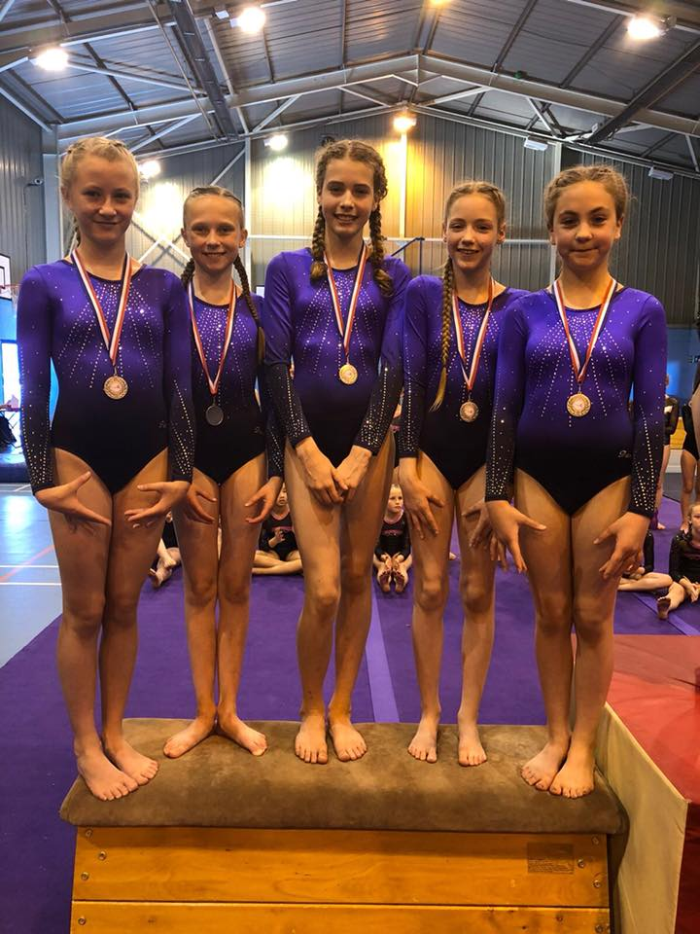
10 - 11 Intermediate
All Starz
No. | NAME | Vault | Bars | Beam | Floor | TOTAL
156 | Lara Hodgkins | 9.50 | 11.10 | 13.40 | 12.20 | 46.20
157 | Dulcie Brackstone | 9.20 | 11.40 | 10.90 | 12.10 | 43.60
158 | Skye Last | 9.30 | 11.10 | 11.70 | 12.30 | 44.40
159 | Ruby Harvey | 9.00 | 11.30 | 11.40 | 11.90 | 43.60
160 | Mimi Atkins | 9.50 | 11.40 | 11.80 | 12.00 | 44.70
 | TEAM TOTAL | 28.30 | 34.10 | 36.90 | 36.60 | 135.90

Round Five
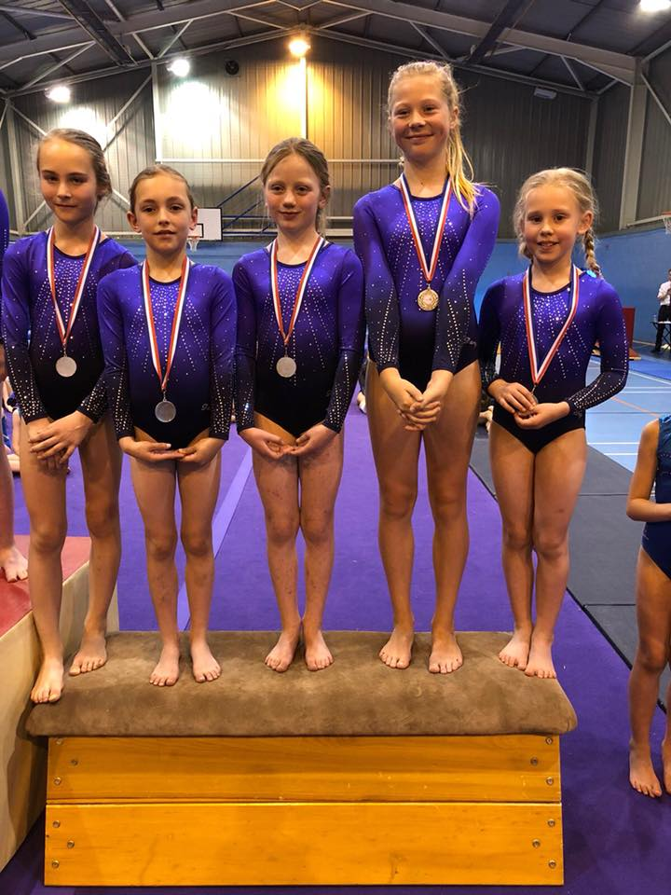
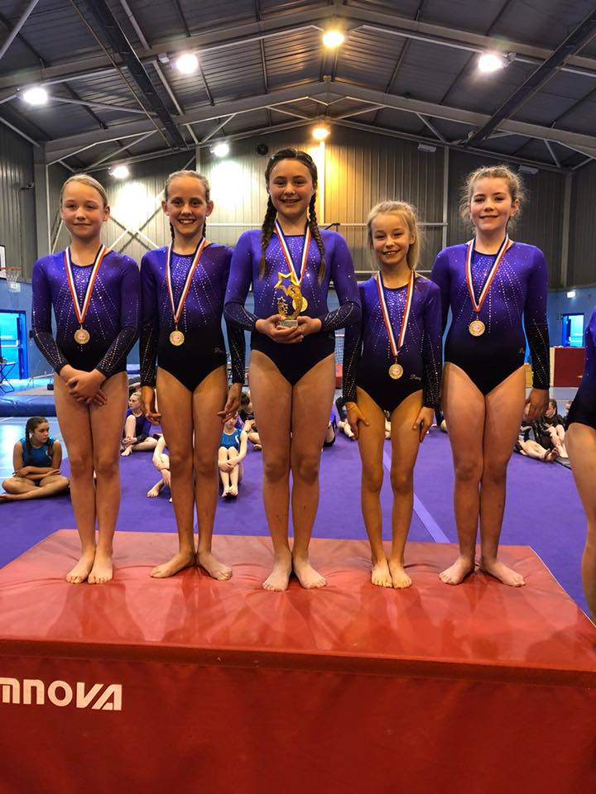
Malcolm Gee Shield
Sunday 6th May 2018

10 - 11 Intermediate Girls |  |  |  |  |  |  |  | Girls 15+ Advanced
Wyre Forest |  |  |  |  |  |  |  | City of Worcester
No. | NAME | Vault | Bars | Beam | Floor | TOTAL |  | No. | NAME | Vault | Bars | Beam | Floor | TOTAL
176 | Maddison Fuell | 9.20 | 11.50 | 11.30 | 11.70 | 43.70 |  | 206 | Becca Thornton | 9.40 | 12.10 | 12.70 | 12.60 | 46.80
177 | Daniella Watson | 8.95 | 11.00 | 13.00 | 12.00 | 44.95 |  | 207 | Haad-Tien Duke | 0.00 | 0.00 | 0.00 | 0.00 | 0.00
178 | Lucy O'Hare | 9.40 | 10.40 | 11.50 | 11.60 | 42.90 |  | 208 | Elise Frostman-Clarke | 8.70 | 11.50 | 9.70 | 11.60 | 41.50
179 | Lucy Martin | 9.45 | 11.60 | 11.20 | 12.10 | 44.35 |  | 209 | Lily Cornelius | 8.90 | 11.00 | 10.70 | 10.90 | 41.50
180 | Emily-Mae Smith | 9.85 | 11.60 | 13.30 | 11.70 | 46.45 |  | 210 |  | 0.00 | 0.00 | 0.00 | 0.00 | 0.00
 | TEAM TOTAL | 28.70 | 34.70 | 37.80 | 35.80 | 137.00 |  |  | TEAM TOTAL | 27.00 | 34.60 | 33.10 | 35.10 | 129.80

10 - 11 Intermediate Girls |  |  |  |  |  |  |  | Girls 15+ Advanced
Wyre Forest |  |  |  |  |  |  |  | Mo-Gylity
No. | NAME | Vault | Bars | Beam | Floor | TOTAL |  | No. | NAME | Vault | Bars | Beam | Floor | TOTAL
181 | Amelie Moseley | 9.65 | 10.10 | 12.10 | 11.90 | 43.75 |  | 211 | Stacey Stanley | 9.55 | 11.00 | 9.90 | 11.60 | 42.05
182 | Emily Rushton | 9.45 | 11.70 | 12.80 | 11.00 | 44.95 |  | 212 | Laurel Heeler | 9.75 | 11.70 | 10.90 | 12.60 | 44.95
183 | Elliott-May Smith | 9.30 | 11.20 | 10.30 | 11.70 | 42.50 |  | 213 | Ruby Paine | 9.10 | 11.80 | 10.70 | 12.80 | 44.40
184 | Emilija Skrbic | 9.55 | 11.50 | 11.60 | 10.90 | 43.55 |  | 214 |  | 0.00 | 0.00 | 0.00 | 0.00 | 0.00
185 | Ella-Rose Beasley | 9.60 | 11.70 | 11.90 | 11.80 | 45.00 |  | 215 |  | 0.00 | 0.00 | 0.00 | 0.00 | 0.00
 | TEAM TOTAL | 28.80 | 34.90 | 36.80 | 35.40 | 135.90 |  |  | TEAM TOTAL | 28.40 | 34.50 | 31.50 | 37.00 | 131.40

10 - 11 Intermediate Girls |  |  |  |  |  |  |  | Girls 15+ Advanced
Mo-Gylity |  |  |  |  |  |  |  | Wyre Forest
No. | NAME | Vault | Bars | Beam | Floor | TOTAL |  | No. | NAME | Vault | Bars | Beam | Floor | TOTAL
186 | Molly Beeton | 9.45 | 11.50 | 10.20 | 12.00 | 43.15 |  | 216 | Paige Pimley | 8.40 | 11.80 | 12.50 | 11.30 | 44.00
187 | Rhea Ward | 9.40 | 11.10 | 12.20 | 11.90 | 44.60 |  | 217 | Esme Baines | 9.40 | 11.00 | 11.20 | 11.70 | 43.30
188 | Rosie Walker | 9.70 | 11.40 | 11.60 | 11.70 | 44.40 |  | 218 | Lily McHale | 8.85 | 0.00 | 11.20 | 12.10 | 32.15
189 | Evie Ravenscroft | 9.35 | 11.20 | 11.80 | 10.90 | 43.25 |  | 219 | Bethany Taylor | 9.05 | 10.50 | 12.50 | 12.60 | 44.65
190 | Jaidyn Grigg | 9.45 | 11.50 | 11.40 | 11.60 | 43.95 |  | 220 | Sophie Watkins | 9.00 | 11.10 | 12.30 | 12.40 | 44.80
 | TEAM TOTAL | 28.60 | 34.40 | 35.60 | 35.60 | 134.20 |  |  | TEAM TOTAL | 27.45 | 33.90 | 37.30 | 37.10 | 135.75

10 - 11 Intermediate Girls |  |  |  |  |  |  |  | Girls 12 - 14 Advanced
Flics |  |  |  |  |  |  |  | City Of Worcester
No. | NAME | Vault | Bars | Beam | Floor | TOTAL |  | No. | NAME | Vault | Bars | Beam | Floor | TOTAL
191 | Ellie Livsey | 9.30 | 10.90 | 12.80 | 12.10 | 45.10 |  | 221 | Emily Duncan | 9.60 | 11.70 | 10.40 | 12.10 | 43.80
192 | Teagan Guilfoyle | 9.40 | 11.60 | 11.60 | 12.20 | 44.80 |  | 222 | Rose Baker | 9.00 | 11.50 | 12.70 | 11.80 | 45.00
193 |  | 0.00 | 0.00 | 0.00 | 0.00 | 0.00 |  | 223 | Amelia Kelly | 8.70 | 0.00 | 10.60 | 11.60 | 30.90
194 | Hannah Eccleston | 9.40 | 10.20 | 11.20 | 11.80 | 42.60 |  | 224 | Katie Jarrard | 9.55 | 11.70 | 12.30 | 12.40 | 45.95
195 | Isobelle Yarwood | 9.35 | 10.80 | 10.40 | 11.40 | 41.95 |  | 225 | Maddie Rollit | 9.85 | 11.60 | 10.20 | 12.30 | 43.95
 | TEAM TOTAL | 28.15 | 33.30 | 35.60 | 36.10 | 133.15 |  |  | TEAM TOTAL | 29.00 | 35.00 | 35.60 | 36.80 | 136.40

Artistic

No. | NAME |  | Vault | Bars | Beam | Floor | TOTAL | Girls 12 - 14 Advanced
196 | Tara Soley | 10 - 11 Yrs | 8.95 | 11.40 | 11.30 | 12.45 | 44.10 | Mo-Gylity
197 | Jenna Warner | 10 - 11 Yrs | 9.05 | 12.10 | 12.20 | 12.45 | 45.80 | No. | NAME | Vault | Bars | Beam | Floor | TOTAL
198 | Isla Barley | 10 - 11 Yrs | 9.10 | 11.90 | 11.50 | 12.60 | 45.10 | 226 | Katie Eley | 9.00 | 11.20 | 9.60 | 11.30 | 41.10
199 | Mya Leonard | 15+ | 9.35 | 12.30 | 13.00 | 12.05 | 46.70 | 227 | Ellie-Mai Tonnero | 9.65 | 11.10 | 10.60 | 12.10 | 43.45
200 | Abbie Green | 15+ | 9.70 | 12.30 | 13.40 | 12.45 | 47.85 | 228 | Katie Parkin | 9.45 | 11.60 | 9.80 | 12.10 | 42.95
201 | Haad-Tien Duke | 15+ | 8.90 | 11.60 | 11.00 | 12.30 | 43.80 | 229 | Luisa Rose | 9.00 | 10.90 | 9.30 | 11.10 | 40.30
202 |  |  |  |  |  |  |  | 230 |  | 0.00 | 0.00 | 0.00 | 0.00 | 0.00
203 |  |  |  |  |  |  |  |  | TEAM TOTAL | 28.10 | 33.90 | 30.00 | 35.50 | 127.50
204

205 |  |  | 0.00 | 0.00 | 0.00 | 0.00 | 0.00

